Sheet1
IMAGE | PACKAGING IMAGE | DESC | PRODUCT SIZE (CM) | PACKAGING SIZE (CM) | G.W. (kg) | N.W. (kg) | QUANTITY | CODE | Link | RRP | Line RRP
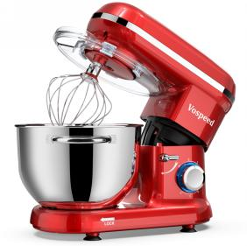 |  | *5.5L bowl with double handle *Die cast Aluminium dough hook with silver painted telflon(dish washer safe) *Die cast aluminium beater with silver painted telflon(dish washer safe) *Full metal whisk(electrophoresis) *Spatula *Egg white separator | 36.5*23.7*32.1 | 42*26.6*35.5 | 6.4 | 5.4 | 1136 | VOSPEED-SM1519X-RED-UK | https://www.amazon.co.uk/dp/B08SLLZH87/ref=twister_B092LYBYPC?_encoding=UTF8&th=1 | £99.00 | £112,464.00
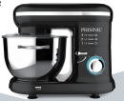 |  | *5.5L bowl with double handle *8830 motor *Die cast Aluminium dough hook with silica gel set and silver painted telflon(dish washer safe) *Die cast aluminium beater with silver painted telflon(dish washer safe) *Full metal whisk(electrophoresis) *Spatula *Egg separator | 38.2*23.4*31.8 | 42.2*28.0*32.8 | 5.9 | 5.5 | 800 | PHISINIC-SM1519Z-BLACK-UK | https://www.amazon.co.uk/dp/B09LRVD5D3/ref=twister_B08QZ25ZYV?_encoding=UTF8&th=1 | £109.00 | £87,200.00
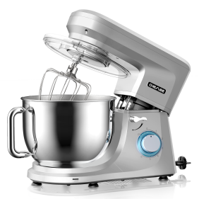 |  | *7L bowl with single handle *8830 motor *Die cast Aluminium dough hook with silica gel set and silver painted telflon(dish washer safe) *Die cast aluminium beater with silver painted telflon(dish washer safe) *Full metal whisk(electrophoresis) | 39.6*24.5*32.4 | 43.5*28.5*37 | 8 | 7 | 910 | CHEFLEE-SM1507-SILVER-UK | https://www.amazon.co.uk/CHeflee-Tilt-Head-Electic-Capacity-Stainless/dp/B08914FQDW?th=1 | £169.00 | £153,790.00
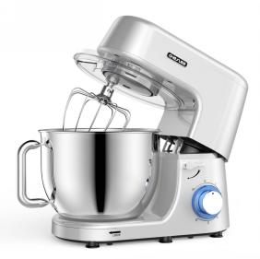 |  | *7L bowl with single handle *8830 motor *Die cast Aluminium dough hook with silica gel set and silver painted telflon(dish washer safe) *Die cast aluminium beater with silver painted telflon(dish washer safe) *Full metal whisk(electrophoresis) | 40.2*24.5*33.1 | 44.2*28.5*37.5 | 7 | 5.8 | 450 | CHEFLEE-SM1508-SILVER-UK | https://www.amazon.co.uk/CHeflee-Tilt-Head-rofessional-Kitchen-Electric/dp/B088ZN16VC?th=1 | £160.00 | £72,000.00
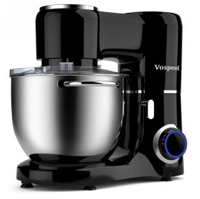 |  | *7L bowl with double handle *Die cast Aluminium dough hook with silver painted telflon(dish washer safe) *Die cast aluminium beater with silver painted telflon(dish washer safe) *Full metal whisk(electrophoresis) *8830M12 motor | 39*24.4*35.9 | 44.5*29.2*39 | 7.2 | 6.2 | 400 | VOSPEED-SM1550-BLACK-UK | https://www.amazon.co.uk/dp/B08YN4Q6QP/ref=twister_B0983H9SF3?_encoding=UTF8&th=1 | £99.00 | £39,600.00
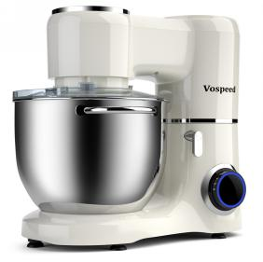 |  | *7L bowl with double handle *Die cast Aluminium dough hook with silver painted telflon(dish washer safe) *Die cast aluminium beater with silver painted telflon(dish washer safe) *Full metal whisk(electrophoresis) *8830M12 motor | 39*24.4*35.9 | 44.5*29.2*39 | 7.2 | 6.2 | 420 | VOSPEED-SM1550-WHITE-UK | https://www.amazon.co.uk/dp/B08YN4Q6QP/ref=twister_B0983H9SF3?_encoding=UTF8&th=1 | £99.00 | £41,580.00
 |  |  |  |  |  |  | 4116 |  |  |  | £506,634.00

 |  |  |  |  |  |  |  |  |  |  | £123.09
 |  |  |  |  |  |  |  |  |  |  | average RRP

